Problem 2
Step number
 | The problem asks you to solve all of the LP relaxations (by adjusting the lower bounds and uppper bounds in rows 16 and 20. |  |  |  |  |  | Then write the solutions in the appropriate places in rows 31 to 43. Also include the objective value, and indicate whether the node is pruned or not.
4

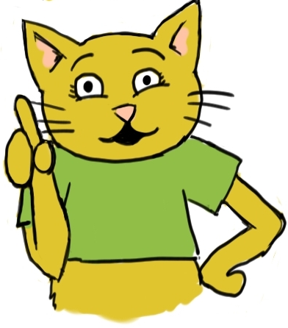
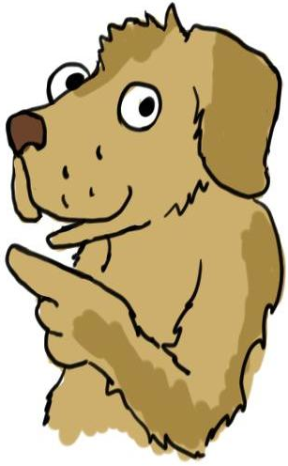

 |  |  |  |  |  |  |  |  | LIMIT
 |  | Investment | 1 | 2 | 3 | 4 | 5 | 6
 |  | NPV Added | $33 | $45 | $25 | $17 | $39 | $23
 |  | Cash Required | $10 | $14 | $8 | $6 | $12 | $8 | $28

 | lower bound |  | 0 | 1 | 0 | 0 | 0 | 0
 |  |  |  |  |  |  |  |  | objective
 | Decision Variables |  | 0 | 1 | 0.24999999997 | 0 | 1 | 0 | 90.249999999

 | upper bound |  | 0 | 1 | 1 | 1 | 1 | 1

 |  |  | Constraints
 |  |  | 28 | <= | $28 |  | limit on cash required.

 |  |  |  |  |  |  |  |  | Objective
 |  |  | The incumbent solution |  |  |  |  |  | Value | Fathomed?
 |  |  | 1 | 0 | 0 | 1 | 1 | 0 | 89
LP | Tree Node
 |  |  | LP solution for Node 1
Original LP | Node 1 |  | 1 | 0.42857142857 | 0 | 0 | 1 | 0 | 91.29 | No

 |  |  | LP solution for Node 2
x1 = 0 | Node 2 |  | 0 | 1 | 0.25 | 0 | 1 | 0 | 90.25 | No

 |  |  | LP solution for Node 3
x1 = 1 | Node 3 |  | 1 | 0.42857142857 | 0 | 0 | 1 | 0 | 91.25 | No

 |  |  | LP solution for Node 4
x1 = 0, x2 = 0 | Node 4 |  | 0 | 0 | 1 | 0 | 1 | 0.99999999998 | 87 | Yes

 |  |  | LP solution for Node 5
x1 = 0, x2 = 1 | Node 5 |  | 0 | 1 | 0.24999999997 | 0 | 1 | 0 | 90.25 | No

 |  |  |  |  |  |  |  |  |  |  | 1 | This is an investment problem that is very similar to the branch and bound example given in the lecture on B & B. | 1 | We are not asking you to solve this integer program in its entirety. This problem asks you to investigate 5 nodes of the branch and bound tree.
 |  |  |  |  |  |  |  |  |  |  | 2 | We have already provided an incumbent solution. In fact, this solution turns out to be the optimal solution. | 2 | We have also set up Excel Solver for you.
 |  |  |  |  |  |  |  |  |  |  | 3 | The first five nodes of the branch and bound tree are indicated in column A starting from row 30. | 3 | The first node is the LP relaxation of the integer program. The second node is the LP-relaxation plus the additional constraint "x1 = 0". And so on.
 |  |  |  |  |  |  |  |  |  |  | 4 | The problem asks you to solve all of the LP relaxations (by adjusting the lower bounds and uppper bounds in rows 16 and 20. | 4 | Then write the solutions in the appropriate places in rows 31 to 43. Also include the objective value, and indicate whether the node is pruned or not.
 |  |  |  |  |  |  |  |  |  |  | 5 | That's all for this problem. | 5
 |  |  |  |  |  |  |  |  |  |  | 6 |  | 6
 |  |  |  |  |  |  |  |  |  |  | 7 |  | 7
 |  |  |  |  |  |  |  |  |  |  | 8 |  | 8
 |  |  |  |  |  |  |  |  |  |  | 9 |  | 9
 |  |  |  |  |  |  |  |  |  |  | 10 |  | 10
 |  |  |  |  |  |  |  |  |  |  | 11 |  | 11
 |  |  |  |  |  |  |  |  |  |  | 12 |  | 12
 |  |  |  |  |  |  |  |  |  |  | 13 |  | 13
 |  |  |  |  |  |  |  |  |  |  | 14 |  | 14
 |  |  |  |  |  |  |  |  |  |  | 15 |  | 15
 |  |  |  |  |  |  |  |  |  |  | 16 |  | 16
 |  |  |  |  |  |  |  |  |  |  | 17 |  | 17
 |  |  |  |  |  |  |  |  |  |  | 18 |  | 18
 |  |  |  |  |  |  |  |  |  |  | 19 |  | 19
 |  |  |  |  |  |  |  |  |  |  | 20 |  | 20
 |  |  |  |  |  |  |  |  |  |  | 21 |  | 21
 |  |  |  |  |  |  |  |  |  |  | 22 |  | 22
 |  |  |  |  |  |  |  |  |  |  | 23 |  | 23
 |  |  |  |  |  |  |  |  |  |  | 24 |  | 24
 |  |  |  |  |  |  |  |  |  |  | 25 |  | 25
 |  |  |  |  |  |  |  |  |  |  | 26 |  | 26
 |  |  |  |  |  |  |  |  |  |  | 27 |  | 27
 |  |  |  |  |  |  |  |  |  |  | 28 |  | 28
 |  |  |  |  |  |  |  |  |  |  | 29 |  | 29
 |  |  |  |  |  |  |  |  |  |  | 30 |  | 30
 |  |  |  |  |  |  |  |  |  |  | 31 |  | 31
 |  |  |  |  |  |  |  |  |  |  | 32 |  | 32
 |  |  |  |  |  |  |  |  |  |  | 33 |  | 33
 |  |  |  |  |  |  |  |  |  |  | 34 |  | 34
 |  |  |  |  |  |  |  |  |  |  | 35 |  | 35
 |  |  |  |  |  |  |  |  |  |  | 36 |  | 36
 |  |  |  |  |  |  |  |  |  |  | 37 |  | 37
 |  |  |  |  |  |  |  |  |  |  | 38 |  | 38
 |  |  |  |  |  |  |  |  |  |  | 39 |  | 39
 |  |  |  |  |  |  |  |  |  |  | 40 |  | 40
 |  |  |  |  |  |  |  |  |  |  | 41 |  | 41
 |  |  |  |  |  |  |  |  |  |  | 42 |  | 42
 |  |  |  |  |  |  |  |  |  |  | 43 |  | 43
 |  |  |  |  |  |  |  |  |  |  | 44 |  | 44
 |  |  |  |  |  |  |  |  |  |  | 45 |  | 45
 |  |  |  |  |  |  |  |  |  |  | 46 |  | 46
 |  |  |  |  |  |  |  |  |  |  | 47 |  | 47
 |  |  |  |  |  |  |  |  |  |  | 48 |  | 48
 |  |  |  |  |  |  |  |  |  |  | 49 |  | 49
 |  |  |  |  |  |  |  |  |  |  | 50 |  | 50
 |  |  |  |  |  |  |  |  |  |  | 51 |  | 51

